Logical and Security
Security Issue ID | Security Issue Title | Priority | Severity | Environment | Description | Step to Reproduce | Technical Details | Suggested Mitigation | Supporting Evidence | Supporting Evidence 2
1 | /client_registeration During registration process, no sanitization at all | Critical | Urgent | flask app task.py MacOS Sonoma 14.4.1 Postman | no validation in fullname, username, email, password, phone, hence all malicious payload can go in | 1. run flask app 2. use POSTMAN to POST 127.0.0.1:5000/client_registration (payload in screenshot) | there's no backend sanitation hence it's malicious user can potentially submit malicious payload | add sanitation before this logic: q = 'select userName from users where email = "' + email + '"' dbData = dbCursor.execute(q).fetchall() | 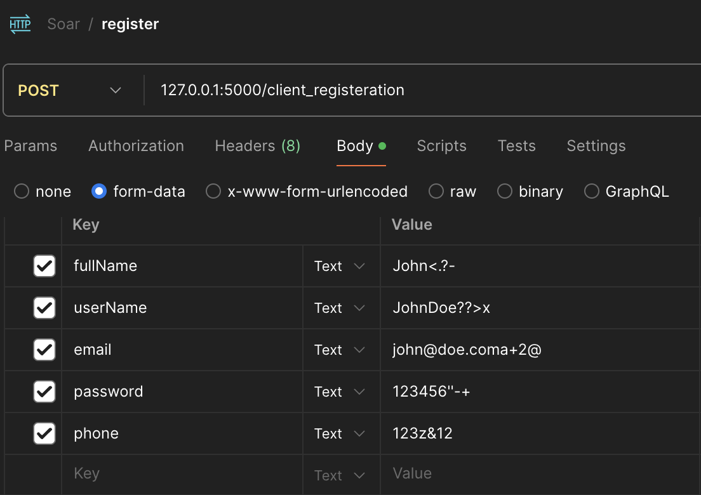
2 | /client_registeration Weak password policy | High | High | flask app task.py MacOS Sonoma 14.4.1 Postman | password is not validated, hence basic password is able to be submitted | 1. run flask app 2. use POSTMAN to POST 127.0.0.1:5000/client_registration (payload in screenshot) | there's no enforcement on password policy in backend implementation, which makes user password are prone to be guessed | add specific check for password policy before checking whether the email already exist or not, which is this logic: if fullName != '' and userName != '' and email != '' and password != '' and phone != '': | 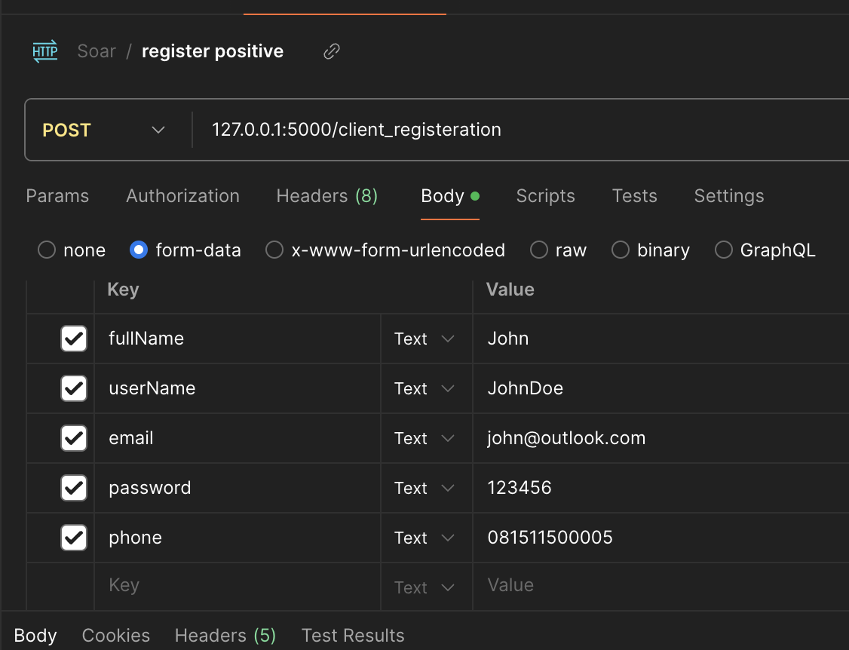
3 | /client_login During login, no sanitization at all | High | High | flask app task.py MacOS Sonoma 14.4.1 Postman | no validation in username, email, password hence all malicious payload can go in | 1. run flask app 2. use POSTMAN to POST 127.0.0.1:5000/client_login (payload in screenshot) | there's no backend sanitation hence it's malicious user can potentially submit malicious payload | add sanitisation before: dbData = dbCursor.execute(qMail).fetchall()
4 | /client_registeration /client_login no rate limiter | High | Urgent | flask app task.py MacOS Sonoma 14.4.1 Postman | no rate limiter for login | 1. run flask app 2. use POSTMAN to POST 127.0.0.1:5000/client_login (any valid payload) or 127.0.0.1:5000/client_registeration multiple times in rapid fashion | there's no limiter in place, hence it is prone to bruteforce attack | implement request limiter | N/A
5 | /update_info JWT Token manipulation | Critical | Urgent | flask app task.py MacOS Sonoma 14.4.1 Postman | JWT token could be manipulated to gain admin access | 1. run flask app 2. use POSTMAN to POST 127.0.0.1:5000/client_login with valid username 3. copy the JWT token to jwt.io 4. modify the role from 2 into 1, copy the JWT token 5. run /update_info with modified JWT token 6. access will be elevated to admin, shown by message "Password reseted forced by admin role") | there's no JWT validation, hence it could be tampered and modified to gain elevated access | improve security in JWT token implementation | 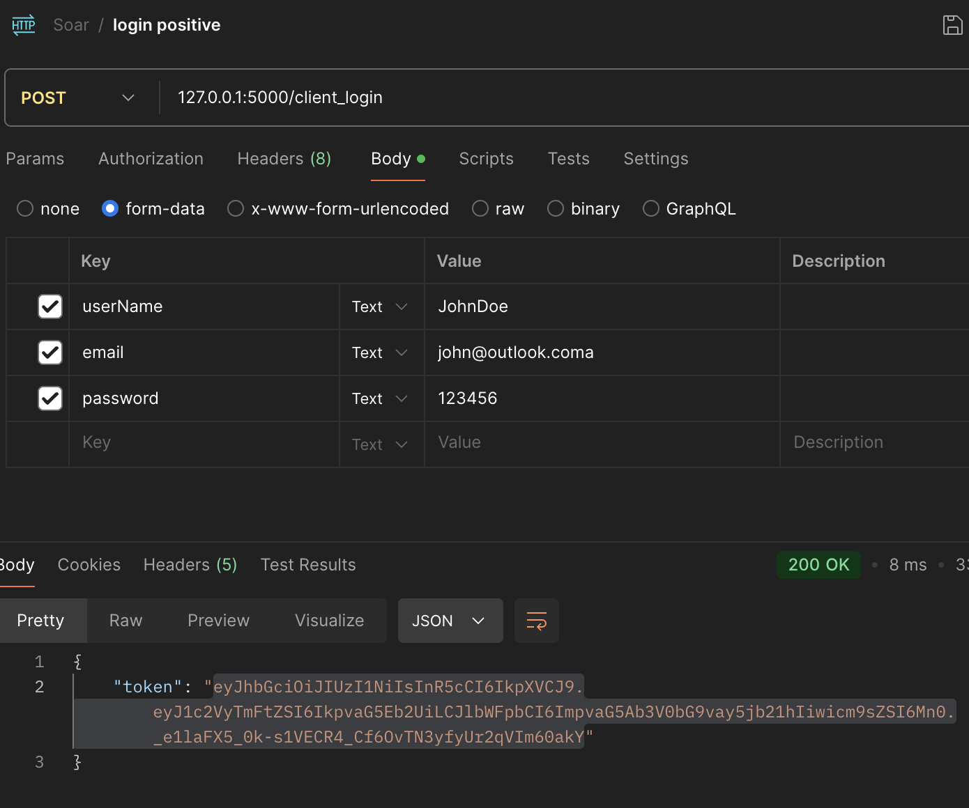 | 